1. Data
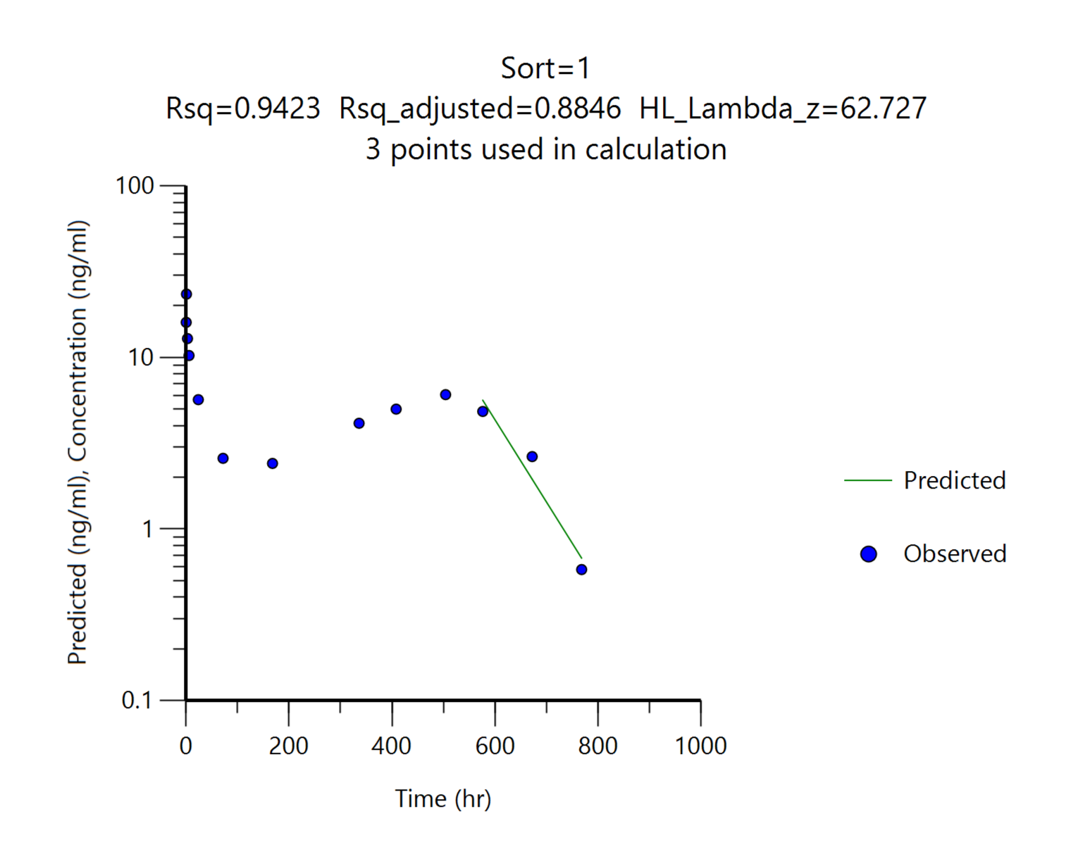
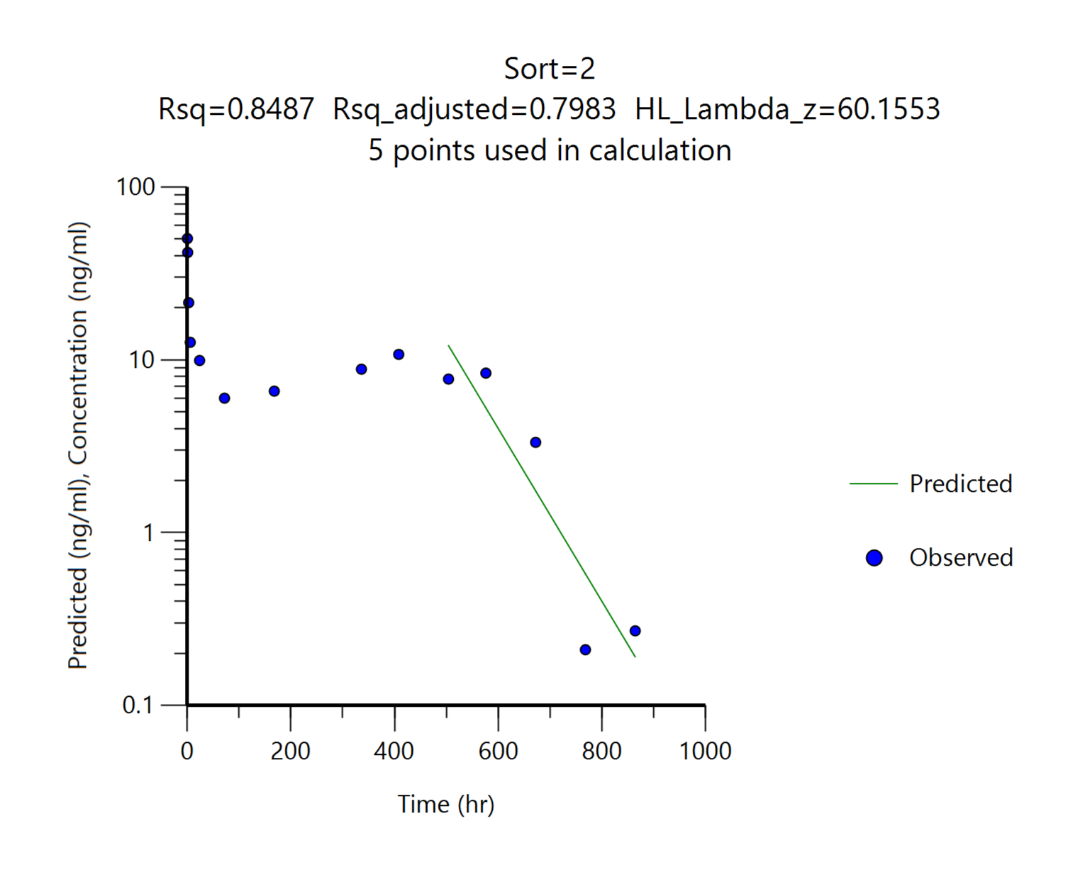
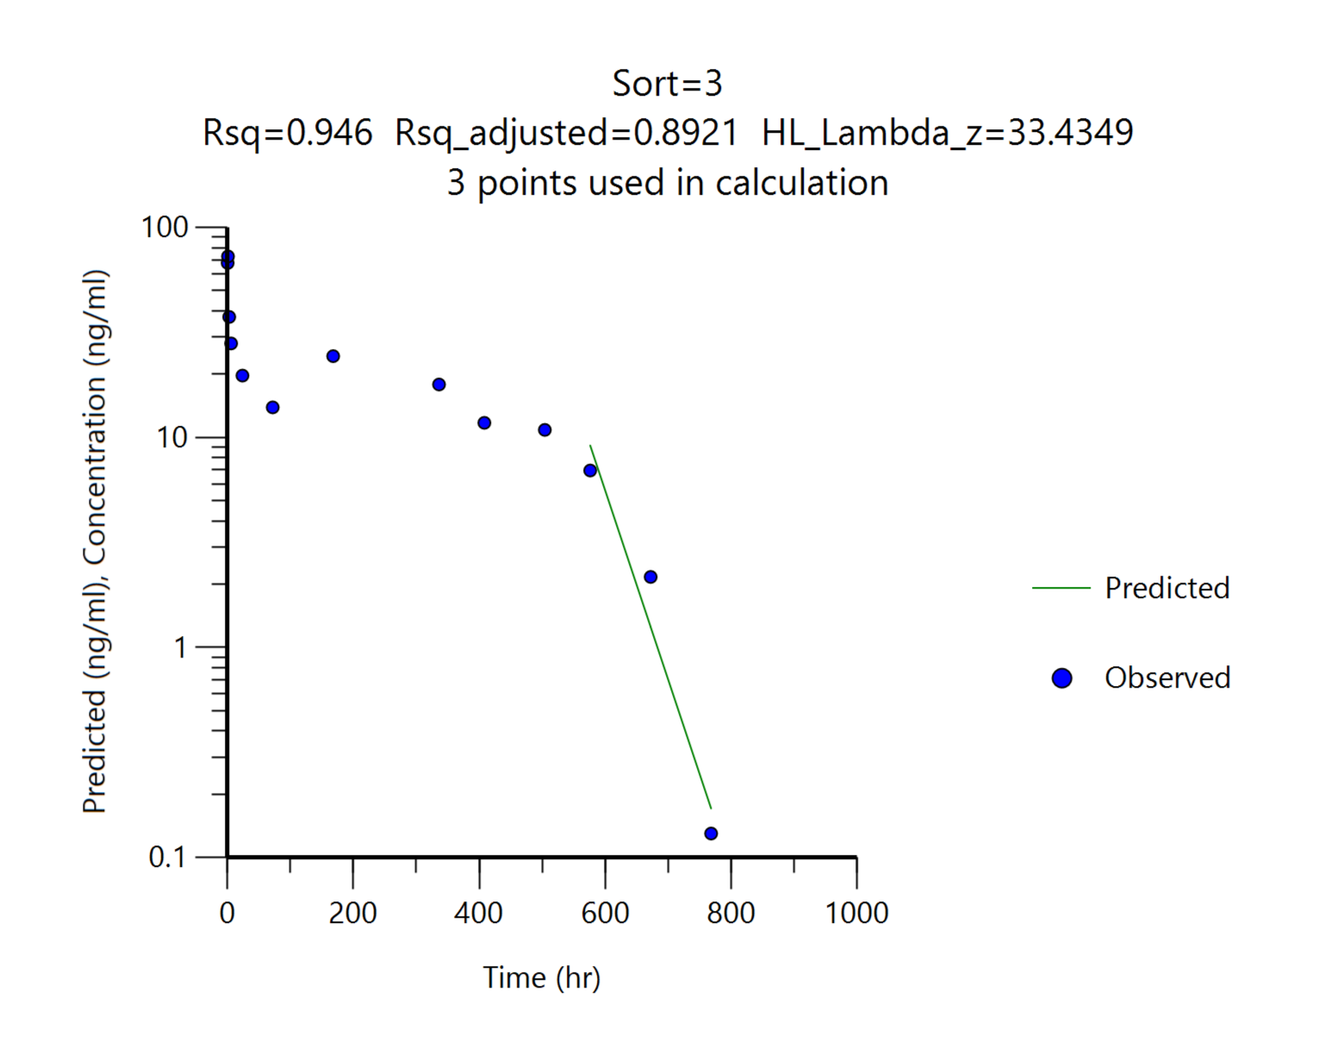
Report (result)
Pharmacokinetic parameters
 |  | G1 | G2 | G3 | G2 (재산출) | G3 (재산출)
 |  | 7.5 mg/kg | 15 mg/kg | 30 mg/kg | 15 mg/kg | 30 mg/kg
 |  | SC, n=3 | SC, n=3 | SC, n=3 | SC, n=3 | SC, n=3
Parameters | Unit | Mean | Mean | Mean | Mean | Mean
tmax | hr | 1.00 | 0.50 | 1.00 | 0.50 | 1.00
Cmax | ng/mL | 23.37 | 50.37 | 72.77 | 50.37 | 72.77
AUC0-168hr | ng∙hr/mL | 665.56 | 1339.01 | 3333.46 | 1339.01 | 3333.46
AUC0-504hr | ng∙hr/mL | 2074.08 | 4226.81 | 9031.58 | 4226.81 | 9031.58
AUC0-t | ng∙hr/mL | 2980.20 | 5562.05 | 10221.54 | 5539.01 | 10111.30
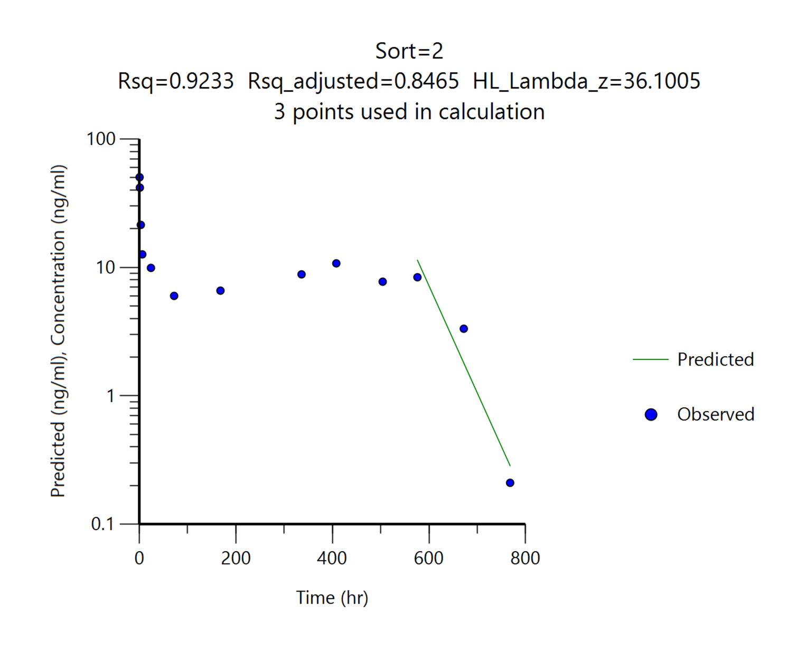
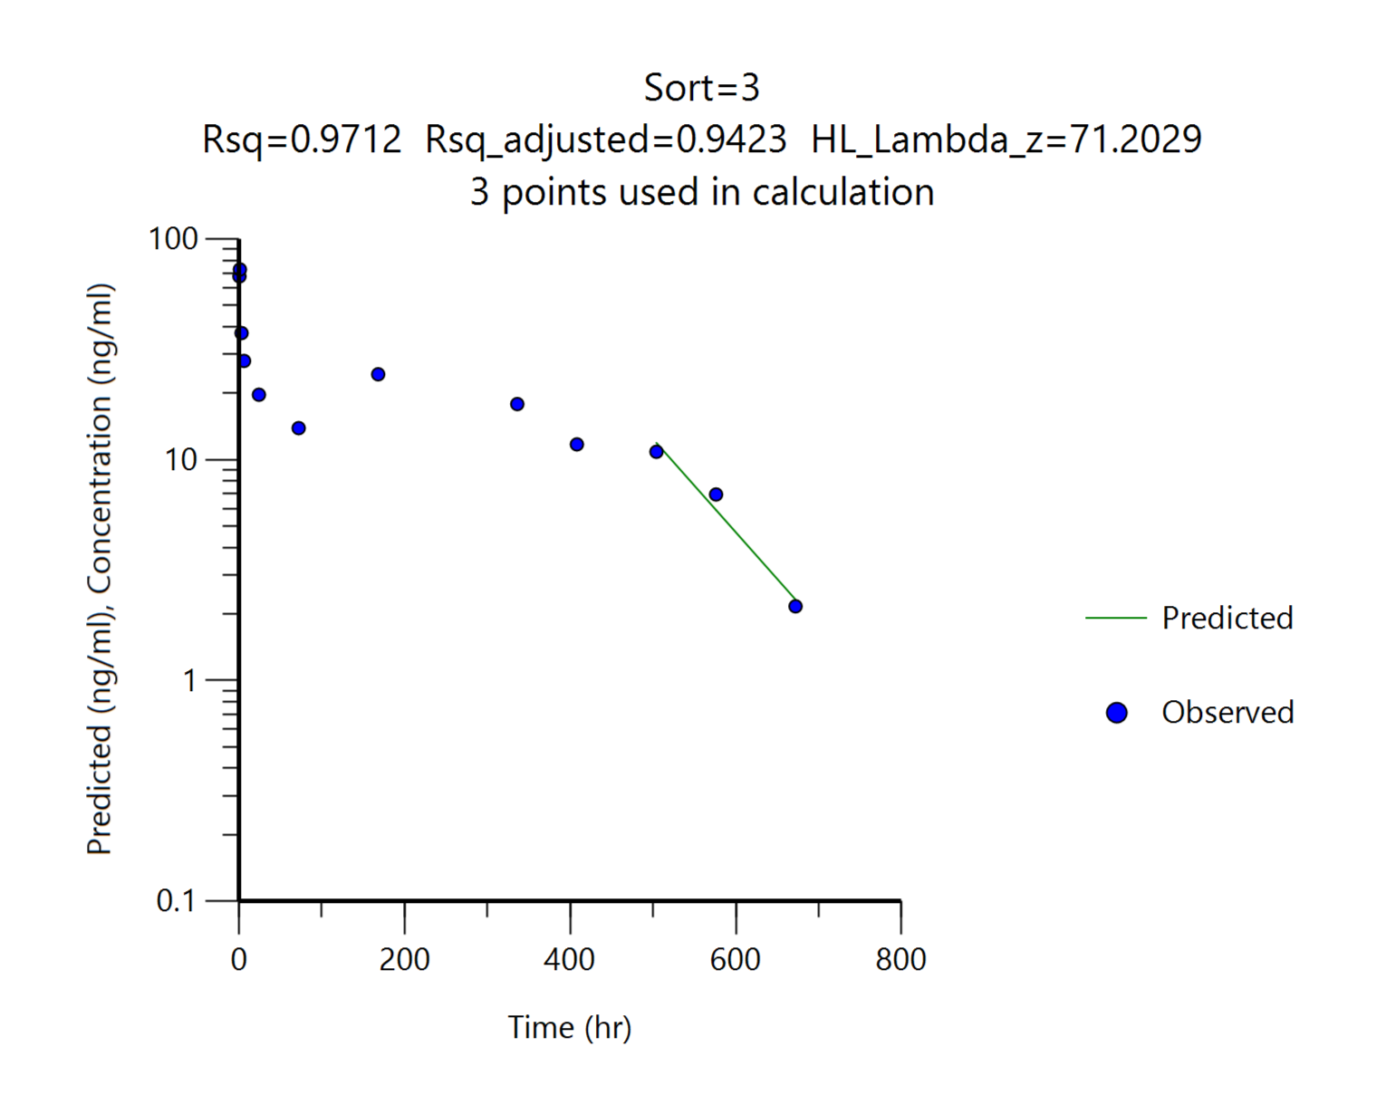
AUCinf | ng∙hr/mL | 3032.69 | 5585.48 | 10227.81 | 5549.95 | 10333.87
t1/2 | hr | 62.73 | 60.16 | 33.43 | 36.10 | 71.20
tlast | hr | 768.00 | 864.00 | 768.00 | 768.00 | 672.00
Cmax/Dose | (ng/mL)/(mg/kg) | 3.12 | 3.36 | 2.43 | 3.36 | 2.43
AUC0-168hr/Dose | (ng∙hr/mL)/(mg/kg) | 88.74 | 89.27 | 111.12 | 89.27 | 111.12
AUC0-504hr/Dose | (ng∙hr/mL)/(mg/kg) | 276.54 | 281.79 | 301.05 | 281.79 | 301.05
AUC0-t/Dose | (ng∙hr/mL)/(mg/kg) | 397.36 | 370.80 | 340.72 | 369.27 | 337.04
AUCinf/Dose | (ng∙hr/mL)/(mg/kg) | 404.36 | 372.37 | 340.93 | 370.00 | 344.46
Pharmacokinetic parameters were obtained by non-compartmental analysis using WinNonlin software.

Pharmacokinetic profiles
 |  | Note: Linear Scale |  |  |  | Note: Semi-log Scale
Tacrolimus in blood
 | G1 시험물질, 7.5 mg/kg, SC | G2 시험물질, 15 mg/kg, SC | G3 시험물질, 30 mg/kg, SC
0.5 | 16.00 | 50.37 | 67.70
1 | 23.37 | 41.83 | 72.77
3 | 12.87 | 21.43 | 37.47
6 | 10.25 | 12.63 | 28.03
24 | 5.67 | 9.91 | 19.70
72 | 2.58 | 6.00 | 13.90
168 | 2.41 | 6.59 | 24.37
336 | 4.13 | 8.83 | 17.87
408 | 4.99 | 10.75 | 11.73
504 | 6.06 | 7.74 | 10.86
576 | 4.84 | 8.38 | 6.96
672 | 2.64 | 3.33 | 2.17
768 | 0.58 | 0.21 | 0.00
864 | 0.00 | 0.00 | 0.00
1008 | 0.00 | 0.00 | 0.00
1176 | 0.00 | 0.00 | 0.00
Tacrolimus in blood
 | G1 시험물질, 7.5 mg/kg, SC | G2 시험물질, 15 mg/kg, SC | G3 시험물질, 30 mg/kg, SC
0.5 | 16.00 | 50.37 | 67.70
1 | 23.37 | 41.83 | 72.77
3 | 12.87 | 21.43 | 37.47
6 | 10.25 | 12.63 | 28.03
24 | 5.67 | 9.91 | 19.70
72 | 2.58 | 6.00 | 13.90
168 | 2.41 | 6.59 | 24.37
336 | 4.13 | 8.83 | 17.87
408 | 4.99 | 10.75 | 11.73
504 | 6.06 | 7.74 | 10.86
576 | 4.84 | 8.38 | 6.96
672 | 2.64 | 3.33 | 2.17
768 | 0.58 | 0.21
864 | 0.00
1008 | 0.00
1176 | 0.00

2. Result
[확인용] - 최종 결과보고서 작성시 데이터 검토과정에서 일부 데이터 변경 될 수 있습니다. |  |  |  |  |  |  |  |  |  | [확인용] - 최종 결과보고서 작성시 데이터 검토과정에서 일부 데이터 변경 될 수 있습니다. |  |  |  |  |  |  | [확인용] - 최종 결과보고서 작성시 데이터 검토과정에서 일부 데이터 변경 될 수 있습니다. |  |  |  |  |  |  | [확인용] - 최종 결과보고서 작성시 데이터 검토과정에서 일부 데이터 변경 될 수 있습니다.
Dose | G1, 시험물질, 7.5 mg/kg, SC;G2, 시험물질, 15 mg/kg, SC;G3, 시험물질, 30 mg/kg, SC |  |  |  |  |  |  |  |  | Dose | G1, 시험물질, 7.5 mg/kg, SC;G2, 시험물질, 15 mg/kg, SC;G3, 시험물질, 30 mg/kg, SC |  |  |  |  |  | Dose | G1, 시험물질, 7.5 mg/kg, SC;G2, 시험물질, 15 mg/kg, SC;G3, 시험물질, 30 mg/kg, SC |  |  |  |  |  | Dose | G1, 시험물질, 7.5 mg/kg, SC;G2, 시험물질, 15 mg/kg, SC;G3, 시험물질, 30 mg/kg, SC
Analytes | Tacrolimus |  |  |  |  |  |  |  |  | Analytes | Tacrolimus |  |  |  |  |  | Analytes | Tacrolimus |  |  |  |  |  | Analytes | Tacrolimus

Abbriviation | BQL | below quantification level |  |  |  |  |  |  |  | Abbriviation | BQL | below quantification level |  |  |  |  | Abbriviation | BQL | below quantification level |  |  |  |  | Abbriviation | BQL | below quantification level
Blood_1차 |  |  |  |  |  |  |  |  |  | Blood_2차 |  |  |  |  |  |  | Blood_3차 |  |  |  |  |  |  | Blood_4차
Standard samples |  |  |  |  |  |  |  |  |  | Standard samples |  |  |  |  |  |  | Standard samples |  |  |  |  |  |  | Standard samples
Conc. (ng/mL) | Tacrolimus |  |  |  |  |  |  |  |  | Conc. (ng/mL) | Tacrolimus |  |  |  |  |  | Conc. (ng/mL) | Tacrolimus |  |  |  |  |  | Conc. (ng/mL) | Tacrolimus
 | Area ratio | Area ratio |  |  |  |  |  |  |  |  | Area ratio | Area ratio |  |  |  |  |  | Area ratio | Area ratio |  |  |  |  |  | Area ratio | Area ratio
 | 1 | 2 |  |  |  |  |  |  |  |  | 1 | 2 |  |  |  |  |  | 1 | 2 |  |  |  |  |  | 1 | 2
DBLK | 0.00E+00 |  |  |  |  |  |  |  |  | DBLK | 0.00E+00 |  |  |  |  |  | DBLK | 0.00E+00 |  |  |  |  |  | DBLK | 0.00E+00
BLK (P) | 0.00E+00 |  |  |  |  |  |  |  |  | BLK (P) | 0.00E+00 |  |  |  |  |  | BLK (P) | 0.00E+00 |  |  |  |  |  | BLK (P) | 0.00E+00
0.1 | 1.32E-02 |  |  |  |  |  |  |  |  | 0.1 | 2.04E-02 |  |  |  |  |  | 0.1 | 2.26E-02 |  |  |  |  |  | 0.1 | 3.11E-02
0.2 | 2.81E-02 |  |  |  |  |  |  |  |  | 0.2 | 3.81E-02 |  |  |  |  |  | 0.2 | 4.27E-02 |  |  |  |  |  | 0.2 | 6.06E-02
0.5 | 6.70E-02 |  |  |  |  |  |  |  |  | 0.5 | 9.36E-02 |  |  |  |  |  | 0.5 | 1.06E-01 |  |  |  |  |  | 0.5 | 1.35E-01
1 | 1.56E-01 |  |  |  |  |  |  |  |  | 1 | 1.63E-01 |  |  |  |  |  | 1 | 2.17E-01 |  |  |  |  |  | 1 | 2.46E-01
2 | 3.09E-01 |  |  |  |  |  |  |  |  | 2 | 3.51E-01 |  |  |  |  |  | 2 | 3.75E-01 |  |  |  |  |  | 2 | 4.59E-01
5 | 7.83E-01 |  |  |  |  |  |  |  |  | 5 | 9.01E-01 |  |  |  |  |  | 5 | 9.39E-01 |  |  |  |  |  | 5 | 1.24E+00
10 | 1.66E+00 |  |  |  |  |  |  |  |  | 10 | 1.76E+00 |  |  |  |  |  | 10 | 2.01E+00 |  |  |  |  |  | 10 | 2.52E+00
20 | 3.42E+00 |  |  |  |  |  |  |  |  | 20 | 3.65E+00 |  |  |  |  |  | 20 | 4.44E+00 |  |  |  |  |  | 20 | 4.95E+00
50 | 8.98E+00 |  |  | Dilution QC (1/10 희석) |  |  |  |  |  | 50 | 9.28E+00 |  |  |  |  |  | 50 | 1.14E+01 |  |  |  |  |  | 50 | 1.17E+01
 |  |  | CV (%) | HQC_40 | Accuracy (%) |  |  |  |  |  |  |  | CV (%) |  |  |  |  |  |  | CV (%) |  |  |  |  |  |  | CV (%)
LQC_0.3 | 4.61E-02 | 4.81E-02 | 3.00 | 7.21E+00 | 111 |  |  |  |  | LQC_0.3 | 6.35E-02 | 5.83E-02 | 6.04 |  |  |  | LQC_0.3 | 7.02E-02 | 7.27E-02 | 2.47 |  |  |  | LQC_0.3 | 8.09E-02 | 7.03E-02 | 9.91
MQC_3 | 5.18E-01 | 4.79E-01 | 5.53 | 7.03E+00 | 108 |  |  |  |  | MQC_3 | 5.26E-01 | 6.01E-01 | 9.41 |  |  |  | MQC_3 | 6.42E-01 | 6.35E-01 | 0.78 |  |  |  | MQC_3 | 7.35E-01 | 6.88E-01 | 4.67
HQC_40 | 7.40E+00 | 7.13E+00 | 2.63 | 6.75E+00 | 104 |  |  |  |  | HQC_40 | 7.73E+00 | 7.86E+00 | 1.18 |  |  |  | HQC_40 | 9.41E+00 | 8.55E+00 | 6.77 |  |  |  | HQC_40 | 1.01E+01 | 9.86E+00 | 1.70

Calibration |  |  |  |  |  |  |  |  |  | Calibration |  |  |  |  |  |  | Calibration |  |  |  |  |  |  | Calibration
Article | Range (ng/mL) | Regression | Weighting | a | b | r |  |  |  | Article | Range (ng/mL) | Regression | Weighting | a | b | r | Article | Range (ng/mL) | Regression | Weighting | a | b | r | Article | Range (ng/mL) | Regression | Weighting | a | b | r
Tacrolimus | 0.1-50 | Linear | 1/x2 | 0.1620 | -0.0037 | 0.9971 |  |  |  | Tacrolimus | 0.1-50 | Linear | 1/x2 | 0.1770 | 0.0026 | 0.9990 | Tacrolimus | 0.1-50 | Linear | 1/x2 | 0.2070 | 0.0018 | 0.9971 | Tacrolimus | 0.1-50 | Linear | 1/x2 | 0.2440 | 0.0079 | 0.9984

Samples (final concentration) |  |  |  |  |  |  |  |  |  | Samples (final concentration) |  |  |  |  |  |  | Samples (final concentration) |  |  |  |  |  |  | Samples (final concentration)
G1 | 시험물질, 7.5 mg/kg, SC
 | Time (hr) | Blood concentration (ng/mL)
 |  | #1 | #2 | #3 | #4 | #5 | #6 | Mean | SD
 | 0.5 | 20.60 | 13.60 | 13.80 |  |  |  | 16.00 | 3.98
 | 1 |  |  |  | 27.40 | 22.10 | 20.60 | 23.37 | 3.57
 | 3 | 17.70 | 10.00 | 10.90 |  |  |  | 12.87 | 4.21
 | 6 |  |  |  | 9.09 | 13.60 | 8.05 | 10.25 | 2.95
 | 24 | 6.29 | 4.24 | 6.47 |  |  |  | 5.67 | 1.24
 | 72 |  |  |  | 3.04 | 2.26 | 2.43 | 2.58 | 0.41
 | 168 | 2.64 | 2.37 | 2.22 |  |  |  | 2.41 | 0.21
 | 336 |  |  |  | 4.33 | 4.36 | 3.70 | 4.13 | 0.37
 | 408 | 8.20 | 4.14 | 2.64 |  |  |  | 4.99 | 2.88
 | 504 |  |  |  | 7.41 | 5.09 | 5.69 | 6.06 | 1.20
 | 576 | 6.01 | 6.20 | 2.31 |  |  |  | 4.84 | 2.19
 | 672 |  |  |  | 3.10 | 3.11 | 1.72 | 2.64 | 0.80
 | 768 | 1.31 | 0.43 | 0.00 |  |  |  | 0.58 | 0.67
 | 864 |  |  |  | 0.01 (BQL) | 0.00 | 0.00 | NA | 0.00
 | 1008 | 0.00 | 0.00 | 0.00 |  |  |  | NA | 0.00
 | 1176 |  |  |  | 0.00 | 0.00 | 0.00 | NA | 0.00
 |  |  |  |  |  |  |  |  | BQL, <0.1 ng/mL

G2 | 시험물질, 15 mg/kg, SC
 | Time (hr) | Blood concentration (ng/mL)
 |  | #7 | #8 | #9 | #10 | #11 | #12 | Mean | SD
 | 0.5 | 45.80 | 56.10 | 49.20 |  |  |  | 50.37 | 5.25
 | 1 |  |  |  | 48.50 | 36.70 | 40.30 | 41.83 | 6.05
 | 3 | 23.70 | 18.50 | 22.10 |  |  |  | 21.43 | 2.66
 | 6 |  |  |  | 14.20 | 11.00 | 12.70 | 12.63 | 1.60
 | 24 | 7.70 | 12.50 | 9.54 |  |  |  | 9.91 | 2.42
 | 72 |  |  |  | 8.88 | 2.54 | 6.57 | 6.00 | 3.21
 | 168 | 9.73 | 6.41 | 3.64 |  |  |  | 6.59 | 3.05
 | 336 |  |  |  | 10.90 | 7.08 | 8.51 | 8.83 | 1.93
 | 408 | 12.10 | 12.80 | 7.36 |  |  |  | 10.75 | 2.96
 | 504 |  |  |  | 5.01 | 10.80 | 7.40 | 7.74 | 2.91
 | 576 | 7.47 | 10.40 | 7.27 |  |  |  | 8.38 | 1.75
 | 672 |  |  |  | 1.26 | 6.51 | 2.21 | 3.33 | 2.80
 | 768 | 0.23 | 0.07 (BQL) | 0.19 |  |  |  | 0.21 | 0.03
 | 864 |  |  |  | 0.54 | 0.01 (BQL) | 0.00 | NA | 0.38
 | 1008 | 0.00 | 0.00 | 0.00 |  |  |  | NA | 0.00
 | 1176 |  |  |  | 0.00 | 0.00 | 0.00 | NA | 0.00
 |  |  |  |  |  |  |  |  | BQL, <0.1 ng/mL

G3 | 시험물질, 30 mg/kg, SC
 | Time (hr) | Blood concentration (ng/mL)
 |  | #13 | #14 | #15 | #16 | #17 | #18 | Mean | SD
 | 0.5 | 67.60 | 89.90 | 45.60 |  |  |  | 67.70 | 22.15
 | 1 |  |  |  | 72.10 | 71.50 | 74.70 | 72.77 | 1.70
 | 3 | 32.90 | 36.90 | 42.60 |  |  |  | 37.47 | 4.87
 | 6 |  |  |  | 19.80 | 33.60 | 30.70 | 28.03 | 7.28
 | 24 | 17.30 | 20.10 | 21.70 |  |  |  | 19.70 | 2.23
 | 72 |  |  |  | 14.60 | 13.40 | 13.70 | 13.90 | 0.62
 | 168 | 29.20 | 31.10 | 12.80 |  |  |  | 24.37 | 10.06
 | 336 |  |  |  | 16.70 | 16.50 | 20.40 | 17.87 | 2.20
 | 408 | 10.70 | 13.10 | 11.40 |  |  |  | 11.73 | 1.23
 | 504 |  |  |  | 6.29 | 14.60 | 11.70 | 10.86 | 4.22
 | 576 | 5.97 | 7.15 | 7.77 |  |  |  | 6.96 | 0.91
 | 672 |  |  |  | 1.62 | 3.17 | 1.71 | 2.17 | 0.87
 | 768 | 0.01 (BQL) | 0.13 | 0.03 (BQL) |  |  |  | NA | #DIV/0!
 | 864 |  |  |  | 0.00 | 0.00 | 0.01 (BQL) | NA | 0.00
 | 1008 | 0.00 | 0.00 | 0.00 |  |  |  | NA | 0.00
 | 1176 |  |  |  | 0.00 | 0.00 | 0.00 | NA | 0.00
 |  |  |  |  |  |  |  |  | BQL, <0.1 ng/mL

Tacrolimus in blood

1(1). LCMS
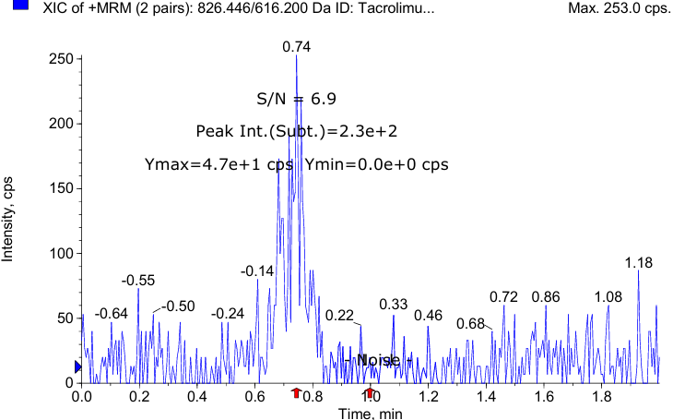
LC-MS/MS condition
LC 조건
HPLC System |  | SHIMADZU Nexera 40 series
Guard column |  | -
Column |  | Agilent ZORBAX Eclipse XDB-C18, 3.5 µm, 50 X 2.1mm
Column temp. |  | 40 ℃
Mobile phase |  | A: |  | 2 mM Ammonium acetate and 0.1% formic acid in water
 |  | B: |  | Methanol
Isocratic |  | Time (min) |  | B (%) |  | Flow rate (μL/min)
 |  | 0.0 |  | 90 |  | 300
 |  | 2.0 |  | 90 |  | 300
Injection volume (μL) |  | 2.5 μL
Autosampler temp. |  | 10 ℃

MS 조건
Detection |  | SCIEX Triple Quad™ 4500 System
Curtain gas |  | 35
Ion source gas 1 |  | 50
Ion source gas 2 |  | 50
Ionspray voltage |  | 5500
Temperature |  | 500
MRM mode |  | Positive

표준품 정보
 |  | Formula |  |  | MW | Exact mass
Tacrolimus |  | C44H69NO12 |  |  | 804.031 | 803.4820
Everolimus |  | C53H83NO14 |  |  | 958.224 | 957.5814

MRM 조건
 |  | m/z |  |  | DP (V) | CE (eV) | CXP (eV) | RT (min)
Analyte | Tacrolimus | 826.446 | → | 616.200 | 6.000 | 49.000 | 14.000 | 0.828
IS | Everolimus | 980.559 | → | 389.200 | 1.000 | 77.000 | 12.000 | 0.840

전처리 방법
Stock |  | Analyte: |  |  | 1.2 |  |  | mg
 |  | DMSO |  |  | 0.12 |  |  | mL
 |  | 10 mg/mL in DMSO
Working solution |  | Serial dilution with 50% MeOH
 |  | 0.001, 0.002, 0.005, 0.01, 0.02, 0.05, 0.1, 0.2, 0.5 μg/mL
IS Solution |  | Everolimus 0.7 mg / DMSO 0.07 mL
 |  | 10 mg/mL in DMSO
 |  | Everolimus 300 ng/mL in 50% MeOH
Liquid-Liquid extraction |  | Whole Blood 100 μL (Blank or Sample) + Working solution (or 50% MeOH) 10 μL + IS solution 10 μL → vortex, 1 min → + water 180 μL → vortex, 1 min → *Extraction solution 500 μL → vortex, 5 min → centrifuge, 5 min, 4 ℃, 17,600x g → supernatant 400 μL → evaporation, 15 min, 50 ℃, 2500 rpm →70% ACN 100 μL reconstitution
 |  |  |  |  |  |  |  | *Extraction solution: Ethyl acetate : n-Hexane : tBME = 2 : 2 : 1
S/N ratio (LLOQ) : 6.9

BW
ND-PLN-P2026043_ICR 마우스에서의 tacrolimus 제형에 대한 약물 동태 시험

P2026043 체중
 | G1 시험물질 | G2 시험물질 | G3 시험물질
Day0 | 34.53 | 34.55 | 34.55
Day7 | 35.18 | 34.32 | 34.97
Day14 | 36.82 | 35.98 | 37.02
Day21 | 37.83 | 37.15 | 37.93
Day28 | 39.02 | 38.20 | 38.32
Day35 | 39.88 | 39.53 | 39.53
Day42 | 40.70 | 40.43 | 40.30
Day49 | 41.40 | 41.43 | 41.25
Group | animal | Day0 | Day7 | Day14 | Day21 | Day28 | Day35 | Day42 | Day49
 |  | 2026-03-11 | 2026-03-18 | 2026-03-25 | 2026-04-01 | 2026-04-08 | 2026-04-15 | 2026-04-22 | 2026-04-29
G1 시험물질 | 1 | 33.9 | 34.0 | 35.4 | 36.4 | 38.4 | 39.5 | 40.9 | 41.1
 | 2 | 34.5 | 37.0 | 38.9 | 39.1 | 39.9 | 40.6 | 40.8 | 42.3
 | 3 | 34.2 | 35.9 | 37.3 | 38.2 | 39.1 | 40.6 | 40.7 | 41.1
 | 4 | 34.9 | 33.1 | 36.7 | 37.3 | 38.0 | 38.7 | 39.1 | 40.9
 | 5 | 34.5 | 34.8 | 36.2 | 37.5 | 38.8 | 39.0 | 40.1 | 40.3
 | 6 | 35.2 | 36.3 | 36.4 | 38.5 | 39.9 | 40.9 | 42.6 | 42.7
Mean |  | 34.53 | 35.18 | 36.82 | 37.83 | 39.02 | 39.88 | 40.70 | 41.40
SD |  | 0.5 | 1.5 | 1.2 | 1.0 | 0.8 | 0.9 | 1.1 | 0.9
G2 시험물질 | 7 | 34.0 | 34.3 | 34.9 | 37.5 | 38.1 | 39.4 | 40.2 | 40.7
 | 8 | 34.4 | 35.4 | 36.1 | 37.6 | 38.5 | 39.7 | 41.5 | 41.9
 | 9 | 35.2 | 33.9 | 35.8 | 36.1 | 37.7 | 38.8 | 39.8 | 40.30
 | 10 | 33.7 | 32.6 | 34.6 | 36.2 | 36.8 | 38.4 | 39.6 | 40.1
 | 11 | 34.8 | 36.3 | 38.6 | 39.0 | 40.3 | 42.4 | 42.5 | 44.9
 | 12 | 35.2 | 33.4 | 35.9 | 36.5 | 37.8 | 38.5 | 39.0 | 40.7
Mean |  | 34.55 | 34.32 | 35.98 | 37.15 | 38.20 | 39.53 | 40.43 | 41.43
SD |  | 0.6 | 1.3 | 1.4 | 1.1 | 1.2 | 1.5 | 1.3 | 1.8
G3 시험물질 | 13 | 34.5 | 36.2 | 37.6 | 39.4 | 39.4 | 40.8 | 41.1 | 41.7
 | 14 | 33.9 | 33.4 | 35.7 | 36.5 | 37.4 | 38.1 | 39.1 | 40.7
 | 15 | 34.2 | 34.9 | 35.9 | 36.3 | 36.4 | 37.1 | 39.1 | 40.40
 | 16 | 34.8 | 34.7 | 38.2 | 38.5 | 38.1 | 40.1 | 40.2 | 40.6
 | 17 | 34.5 | 35.3 | 37.2 | 38.6 | 39.4 | 41.1 | 41.5 | 42.3
 | 18 | 35.4 | 35.3 | 37.5 | 38.3 | 39.2 | 40.0 | 40.8 | 41.8
Mean |  | 34.55 | 34.97 | 37.02 | 37.93 | 38.32 | 39.53 | 40.30 | 41.25
SD |  | 0.5 | 0.9 | 1.0 | 1.2 | 1.2 | 1.6 | 1.0 | 0.8
 |  | 621.8 | 626.8 | 658.9 | 677.5 | 693.2 | 713.7 | 728.6 | 744.5

